ENTRY by Nbr

IBSA JUDO GRAND-PRIX TOKYO
4-5 DECEMBER 2023
COUNTRY NAME:
ENTRY BY NUMBER:
 |  | MALE | FEMALE
 | Athletes (J1) |  |  | 0
 | Athletes (J2) |  |  | 0
 | STAFF |  |  | 0
 | TOTAL | 0 | 0 | 0

PLEASE SEND THIS FORM TO judob@joy.ocn.ne.jp by 30 September 2023
Date:

Signature:

1 ENTRY by Name
 |  |  | 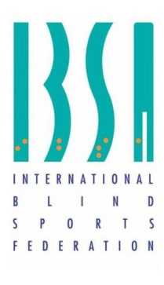
IBSA JUDO GRAND-PRIX TOKYO
4-5 DECEMBER 2023
COUNTRY NAME:
Nbr | NAME (SURNAME, GIVENNAME) | DATE OF BIRTH | ISAS ＃ | GENDER | CLASS | CATEGORY
1
2
3
4
5
6
7
8
9
10
11
12
13
14
15
16
STAFF
NR | NAME SURNAME | DATE OF BIRTH | GENDER |  | POSITION
1
2
3
4
5
6
7
8
9
10
11
12
PLEASE SEND THIS FORM TO judob@joy.ocn.ne.jp by 20 October 2023
Date:
Signature:

