INVOICE
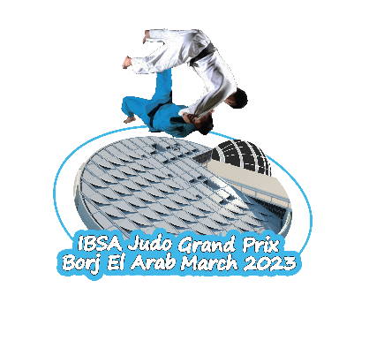 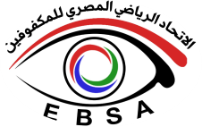 Egyptian blind sports association

2023 IBSA Judo Grand Prix Borj El Arab
9-18 March 2023 -Borj El arab, Egypt
INVOICE № |  |  | Date
COUNTRY

ADDRESS
Please only complete number of requested nights and rooms, number of athletes to calculate participation fees please return this form to: egyblindsports2016@gmail.com, H.zaki_84@hotmail.com, nadaowain@gmail.com
Check-in Date:
Check-out Date:
Hotel name |  | please enter number of nights and requested rooms
Radisson blu- borj el arab |  | Nights | Single | Twin | Total
 |  |  |  |  | € -
IBSA fee | Number of athletes | EUR
 |  | 0
Total |  |  |  |  | € -
Please transfer the amount to the following bank account and identify your payment by stating the name of your country or federation on the bank documents.

PAYMENT

Bank name: Banque Misr Account name: Egyptian blind sports Association- EBSA BRANCH NO.: 463 Account no: 1140130000000653 Swift code: BMISEGCXXX IBAN: eg930002011401140130000000653

